1. connect wth annual statement
2. overview articles incl. (sold to consumers or non-contractants) |  |  | Check: is the connection made with the annual statement (Jaaropgave)? If not, then please provide an annual correction, otherwise sign together with the management statement.
Attention: the article overview should also include objects fabricated or refurbished by you
 |  |  |  | NOTE: everything on this page is filled in as an example for you
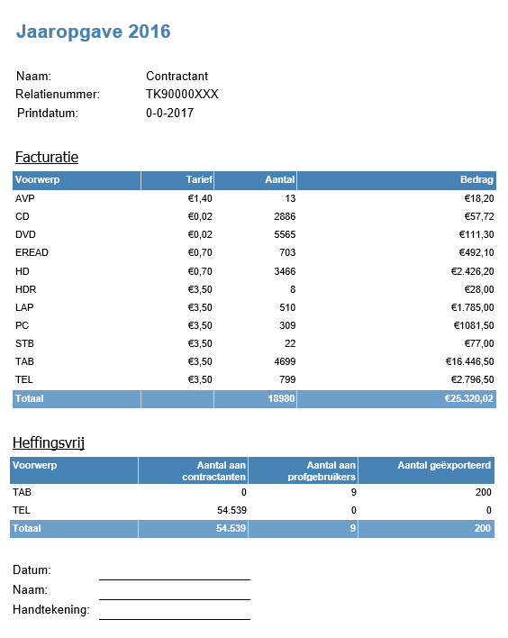
Rowlabels | Sum of units to report to STK | Sum of the copy levy to be paid to STK |  |  | so please erase before filling in your information
AVP | 13 | € 18.20
CD | 2886 | € 57.72
DVD | 5565 | € 111.30
EREAD | 703 | € 492.10
HD | 3466 | € 2,426.20
HDR | 8 | € 28.00
LAP | 510 | € 1,785.00
PC | 309 | € 1,081.50
STB | 22 | € 77.00
TAB | 4699 | € 16,446.50
TEL | 799 | € 2,796.50
Grand total | 18980 | € 25,320.02

4. Copy levy-free shipments to professional users

Classification TK | Som van Amount sold
TAB | 9
Eindtotaal | 9

Naam Klant | classification STK | Sum of amounts sold
Contractant A | TEL | 19,302
Contractant B | TEL | 18,544
Contractant C | TEL | 16,693
Eindtotaal |  | 54,539

6. Copy-levy-free exports

classification TK | Som van Amount sold
TAB | 200
Eindtotaal | 200

